Valuation
Venture Capital Method Valuation
INR:USD | 86
Precedent Transaction Analysis

 | S.No | Name | Founded Year | Total Equity Funding (In Mn $) | Date | Funding Amount | Round | Valuation (In $ Mn) | Revenue. (In $ Mn) | Revenue Multiple
 | 1 | Sales assist.ai |  |  | Nov 29, 2024 | $201.2K | Seed | 2.900 | -
 |  | Sales assist.ai |  |  | Mar 22, 2024 | $120.3K | Seed | 1.800 | 0.116 | 15.5x
 |  | Sales assist.ai |  |  | Dec 05, 2023 | - | Angel | - | 0.094
 |  | Sales assist.ai |  |  | May 15, 2021 | $230.2K | Seed | 1.600 | 0.003 | 592.6x
 |  | Sales assist.ai |  |  | Jan 02, 2021 | $34.2K | Seed | 0.387 | 0.002 | 168.2x

 | 2 | Instasell |  |  | Mar 00, 2022 | $525k | Seed | 2.60 | NA
 |  | Instasell |  |  | DEC 00, 2021 | $33.3k | Seed | 323.00 | NA

 | 3 | Baaz | 2019 | 1.12 | Feb 16, 2022 | $700.0K | Seed | 3.700 | 0.39 | 9.5x
 |  | Baaz |  |  | May 31, 2021 | $369.5K | Seed | 2.100 | 0.08 | 25.4x
 |  | Baaz |  |  | Feb 06, 2021 | $23.3K | Angel | 1.100 | 0.01 | 84.0x
 |  | Baaz |  |  | Nov 30, 2020 | $31.1K | Angel | 0.706 | 0.01 | 71.3x
 |  | Baaz |  |  | Oct 29, 2020 | - | Angel | 0.475 | 0.01 | 53.3x

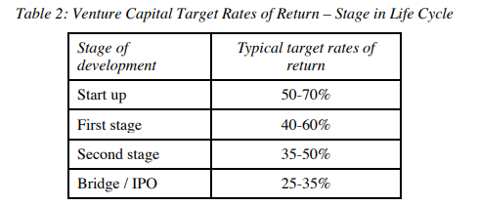
 |  |  | EV/Revenue Multiple
 |  | Industry Median | 15.5x

 |  |  | (In INR Crore) | (In $ Mn)
 |  | Revenue | 21 | 2.48
 |  | EV | 331 | 38.47

 |  | Discount Rate | 60% | 60%
 |  | Post Money Valuation | 31.5 | 3.67
 |  | Total Investment | 2.04 | 0.24
 |  | Pre Money Valuation | 30 | 3.43
 |  | Funding Round Stake sale | 6.5% | 6.5%

